Widget
How to import js library to service portal

library: nouislider
this lib need to import 2 files:

Create a UI script and copy all of the noUiSlider.js content into it.

create a Style Sheet and copy all of the nouislider.css content into it

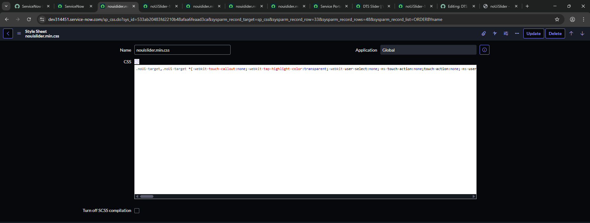

Create a JS Include based on the newly created UI script.

Create a CSS Include based on the newly created Style Sheet.

create a Widget Dependency

create a widget and import the newly created dependency

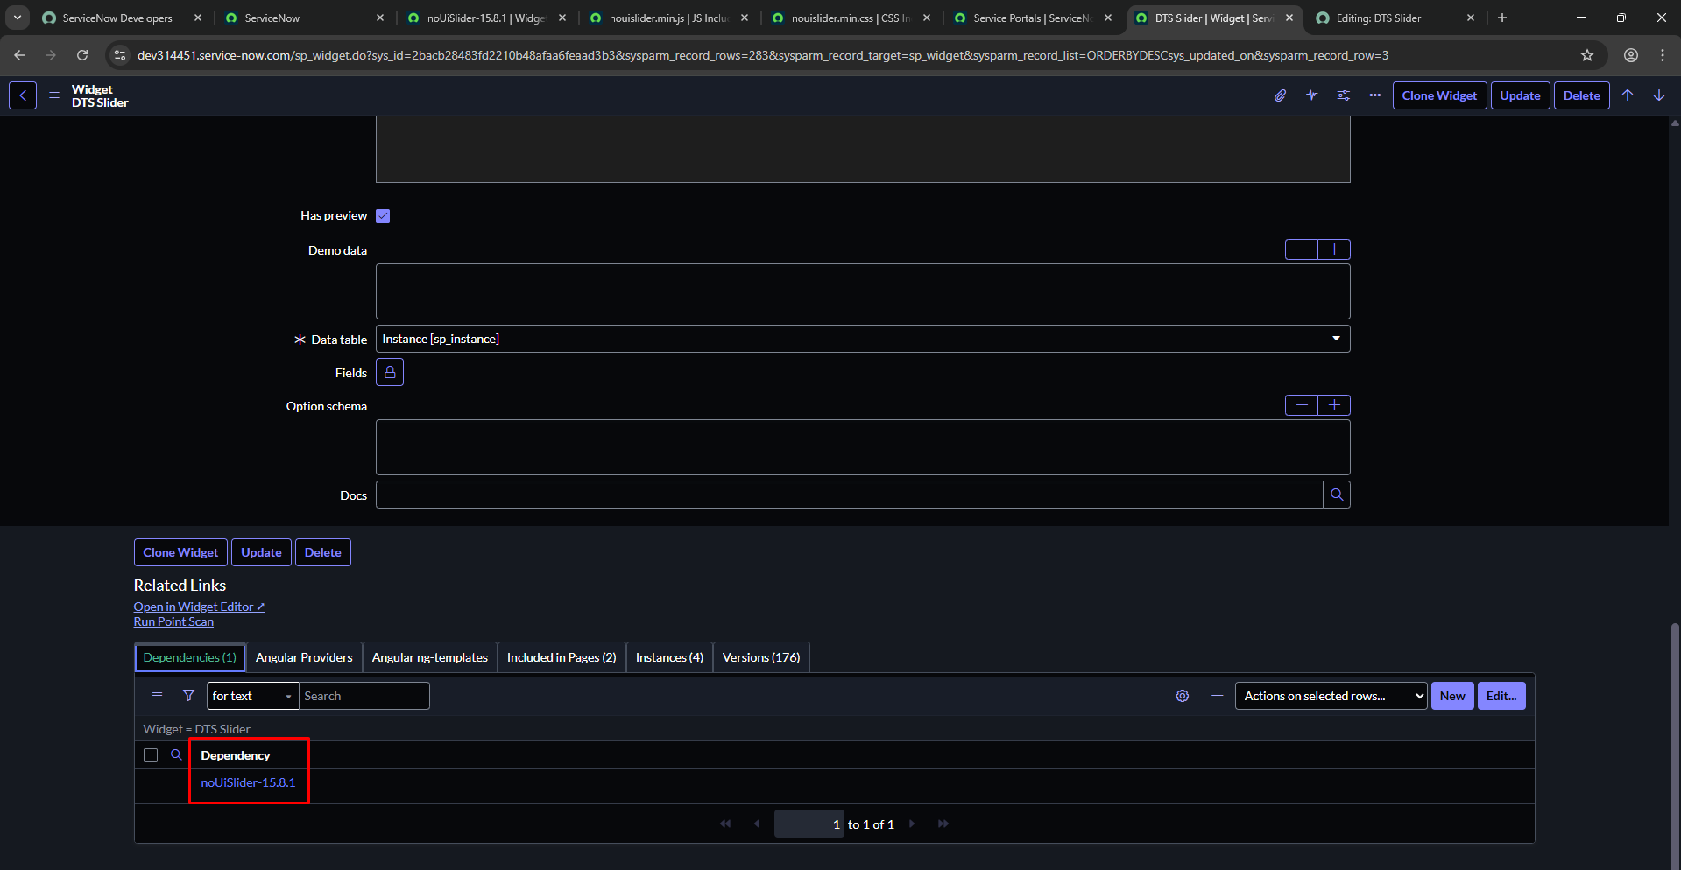

Embed a widget in HTML

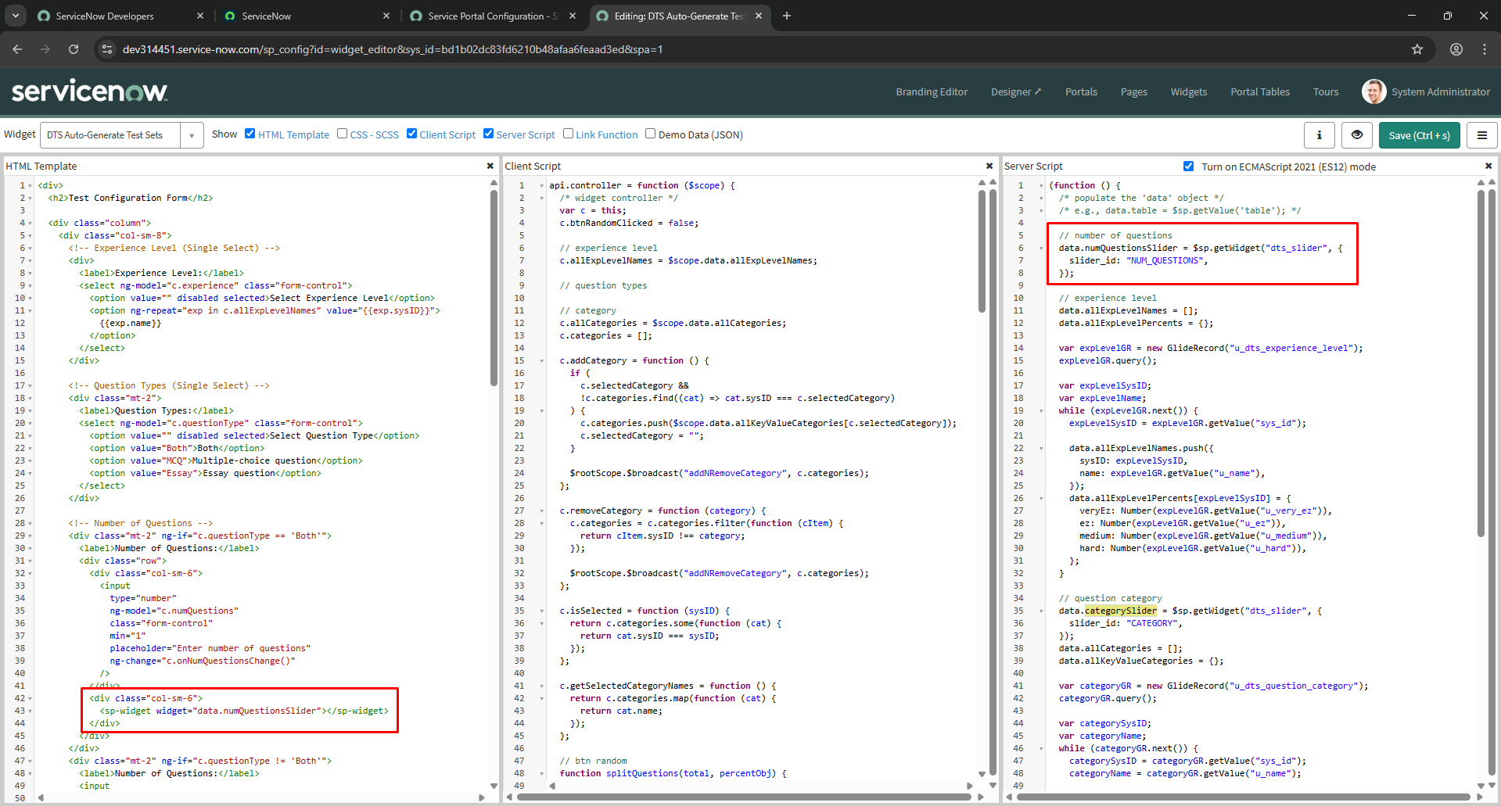

pass slider_id param to widget

